Sheet1
Church Re-opening Risk Assessment post-Coronavirus Lockdown
Introduction
When Government regulation permits your building to re-open, whether fully or for limited use (e.g. private prayer, funeral services, etc.) Elders’ Meetings (or the equivalent council in LEPs) must undertake a Risk Assessment and wherever possible identify steps to reduce and mitigate risk.
Fuller guidance on risk assessment can be found at https://www.hse.gov.uk/simple-health-safety/risk/index.htm, and advice obtained through your Synod office.
For each area of risk that you are able to identify, you must assess the likelihood of the risk occurring and the impact it would have if it did occur. Score both items on a scale from 1 to 5 (5 being highest) and multiply the two together to get a Risk Score. Then identify steps that can be taken to reduce or remove the risk. Does the mitigation give a significantly lower risk score? If not, what further mitigation must be put into place to bring the Risk Score to an acceptable level? If the risk remains “Catastrophic” or “unacceptable,” what can you do to remove that activity or area of risk completely? For example, if the state of the church roof is such that it is likely to collapse on anyone inside the building, and the injuries caused would probably be major or severe (which includes fatal injury), the risk score would be at the catastrophic risk level (coloured red in this grid). Until repairs can be carried out to make the building safe, the mitigation is not to use that part of the building, keep it locked and post clear warning signs not to enter. "Catastrophic" and "unacceptable" risk levels mean that the church must not proceed with that activity until the risks can be lowered to "Undesirable" or "Acceptable" levels.
NOTE: The risks listed on the following pages are suggestions. Your local context will mean that some of the risks and the necessary mitigations will be different and so you must adapt this to suit your buildings and circumstances.
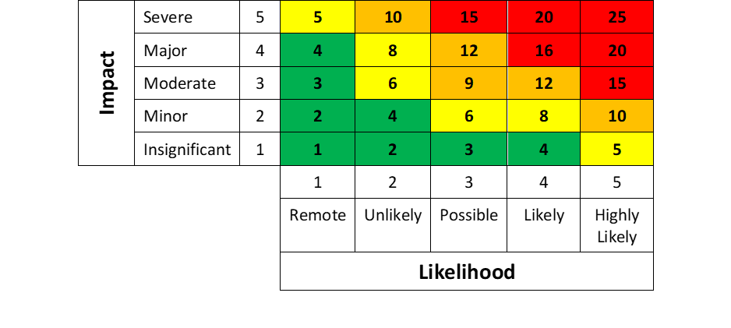
Church: |  |  | Risks assessed by: |  |  |  |  | Date:

Assessment accepted by Elders' Meeting: |  |  |  |  |  | (Signature of meeting chair or secretary) |  | Date:

Risk No |  | Risk | Type* | Inherent risk |  |  | Mitigation | Residual risk |  |  | Notes
 |  |  |  | Likelihood | Impact | Risk Score |  | Likelihood | Impact | Risk Score
Preparing the buildings for reopening
1 | A | Build-up of dust and possibly mould whilst building closed | Property |  |  |  | Ø Open doors and windows to allow airflow. Ø Restrict access into building until building aired Ø Minimise access to building and close off until task complete |  |  |  | No one allowed into building until task completed
2 | A | General cleanliness of building | Property |  |  |  | Ø Cleaning of inside of building and review if additional action such as a deep clean required Ø All fitting and fixtures (including door handles, hand rails and light switches) MUST be wiped down with anti-bacterial wipes and sanitisers |  |  |  | Restricted access into building until task completed
3 | A | Potential contamination of water system (legionella) | Property |  |  |  | Ø Water system flushed through: all taps to be run for at least 20 mins after lockdown then at least 5 mins weekly thereafter; all toilets to be flushed at least twice weekly |  |  |  | If weekly checklist has not been carried out, the water system should be checked
4 | A | Safety measures against fire are not securely in place | Property |  |  |  | Ø Fire Risk Assessment must be in place and up to date Ø All fire extinguishers to be checked and ensure functioning and in date All fire signage and exit are clear |  |  |  | Fire Risk Assessment must be in place before opening
5 | A | Alterations to layout in order to maintain current Government social distancing measures mean a clear evacuation route is not obvious or needs to be changed | People |  |  |  | Ø Review evacuation and emergency response procedures to ensure they remain suitable with the altered layout and social distancing in place Ø Where occupants require assistance evacuating the premises, ensure a plan is in place to provide appropriate support, including the provision of PPE for anyone who might provide assistance Ø Display clear signage and ensure the identified route is free of obstruction and accessible to all |  |  |  | Building must not open until measures in place
6 | A | Seating in areas to be used for private prayer, and public worship once permitted, is too close together. | Property |  |  |  | Ø Close off seats (ROWS AND SINGLE) and specify which can be used so that required distancing can be strictly followed. Remove excess chairs and stack safely |  |  |  | Building must not open until measures in place
7 | A | Electrical and heating systems (including emergency lighting) fully functional | Property |  |  |  | Ø Ensure all statutory compliance checks are up to date (gas and electrical safety) Ø All systems to be checked and signed off |  |  |  | Systems to be repaired as required prior to opening
8 | A | Items stored and displayed on surfaces makes cleaning regime difficult | Property |  |  |  | Ø Clear surfaces as much as possible and move items to safe storage |  |  |  | Ensure all items removed as appropriate prior to opening
9 | A | High value items at risk of theft | Property |  |  |  | Ø Secure items that are not needed (such as audio-visual equipment). Ø Ensure the premises are staffed and supervised whilst open to the public. |  |  |  | Ensure all items removed as appropriate prior to opening
10 | B | Insufficient staff/volunteers available to supervise the premises for Covid-Secure compliance whilst open | Service delivery |  |  |  | Ø Daily Rotas of volunteers in place with reserve indicated Ø Building only opens if minimum of 2 people in place with NO LONE WORKING |  |  |  | Close the building until sufficient people are available.
11 | A | Items may be handled by more than one person, increasing the risk of cross contamination | People |  |  |  | Ø Remove/secure hymnbooks, Bibles, pens, prayer request books, etc. Produce single-use/disposable printed resources Ø Consider providing prayer guides, posters/displays, non-contact prayer stations etc., to aid private devotion. Ø Hand sanitisers in place at exit and entrance for mandatory use when entering and leaving the building |  |  |  | Building must not open until measures in place
12 | A | Issues with outside of building | Property |  |  |  | Ø Check guttering/ downpipes/gullies Ø Check overgrown shrubs or trees across walkways Ø Check for any loose fence panels as appropriate Ø Check for any loose headstones in grave yard if appropriate NOTE: unless these are a danger to individuals entering the church building they will not stop it re-opening BUT must be actioned |  |  |  | Any issues must be put onto an action plan and addressed
13 | A | Flow of people within the church causes congestion or makes social distancing impossible | People |  |  |  | Ø Investigate and implement processes to ensure flow of people in church adheres to government guidelines currently applicable (e.g. one way system signage) |  |  |  | Must be in place before church opens
14 | A | Excess rubbish builds up at the premises | People |  |  |  | Ø All rubbish to be taken away by church attendees where appropriate Ø Replace all bins with automatic open and close lids to minimise touch point Ø Bins regularly emptied by nominated person |  |  |  | Cleaning regime must be in place prior to opening
15 | A | Safeguarding information missing or out of date | Legal |  |  |  | Ø Ensure safeguarding poster and statement of policy, including contact details for local safeguarding co-ordinator are displayed prominently Ø Ensure stewards are briefed on the safeguarding policy and know who to contact if a concern is raised

Social Distancing
16 | A | Too many people gather in the building. | People |  |  |  | Ø Control numbers entering the church which will be agreed by the Elders prior to church opening and all stewards fully aware trained and briefed in the protocol |  |  |  | Stewards MUST adhere to agreed numbers
17 | A | Those using the building don’t respect distancing guidance. | People |  |  |  | Ø Place distancing marks outside the building where possible and inside the building (for preference these should still be at 2m intervals, although a lesser distance may be permitted by Government regulation and guidance with appropriate mitigations in place. Display clear signage at the entrance and throughout the space about maintaining distancing during their visit, including when greeting others. Ø Ensure stewards are properly briefed to reinforce the message. |  |  |  | Stewards be briefed to remind people to adhere to distancing guidance
18 | A | People attend who have symptoms of coronavirus | Legal |  |  |  | Ø Stewards to be briefed to ask people if they believe they have symptoms and if so, respectfully decline entry to them. Ø Clear signage reminding people of the symptoms of Covid-19 and of the importance of self-isolation. Ø Door stewards to wear masks |  |  |  | This MUST be adhered to and if suspected people will not leave church to be closed immediately NOTE: if required support will be requested (police )
19 | A | Congestion at choke points prevent distancing being respected | People |  |  |  | Ø Re-laying out of church to reduce pinch points Ø Investigate options such as one way systems Ø Ensure all relevant signage and floor marking in place Ø All stewards to be briefed in flow of building NOTE: if pinch point cannot be removed time and flow through at that point MUST be minimised (a “one in, one out” system) to maintain infection protocols |  |  |  | Stewards must be fully briefed to enable smooth flow
...

